CICD Architecture
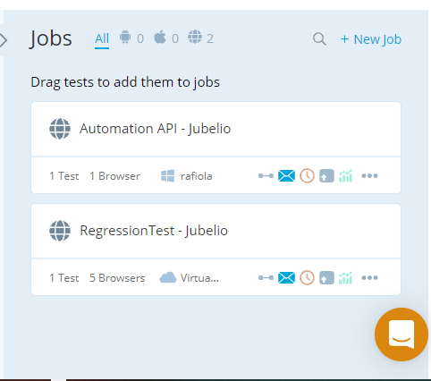
Architecture to integrate testing UI level and API level in CI/CD environment, with cost optimization.
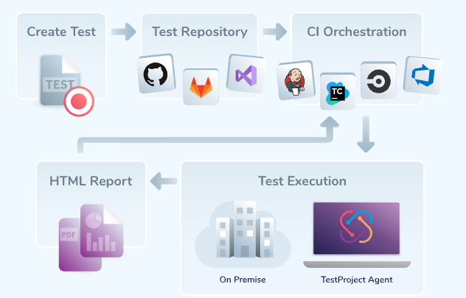

Testproject Integration with Jenkins
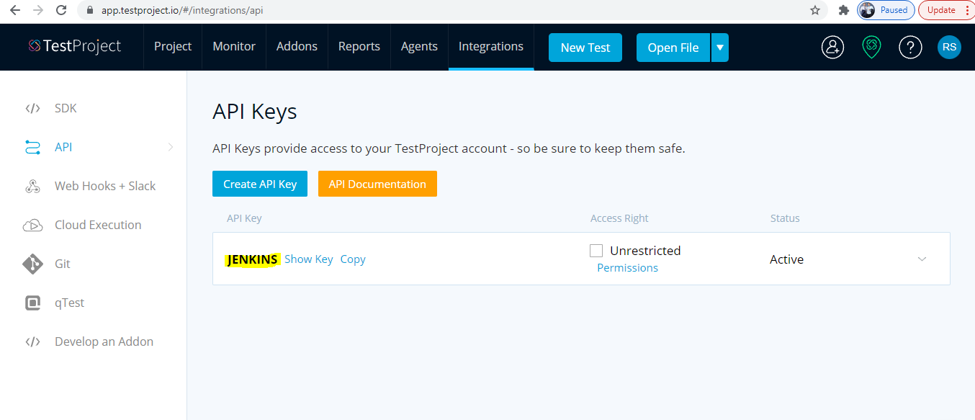

Testproject Integration with Browser Stack (compability test)
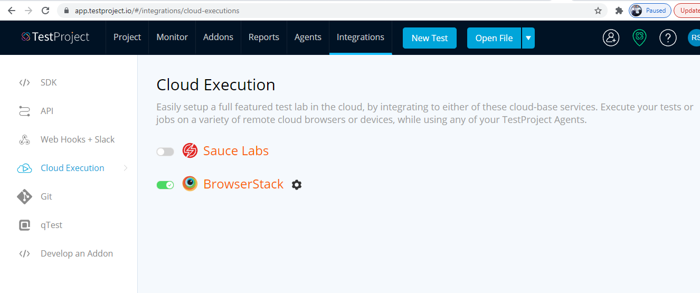

Testproject Integration with Github
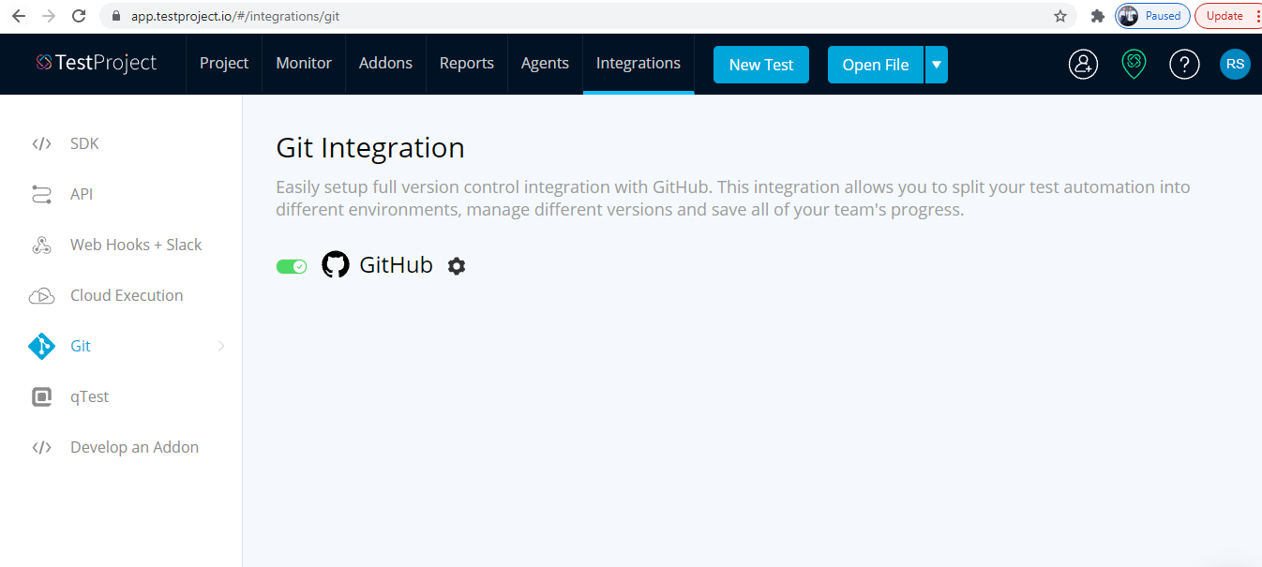

Running Jobs basedon scheduler (one time / recurring)

